Bug Report
Category | Label | Value
Bug ID | ID number | #1
 | Name | Left side menu- Unable to filter items
 | Reporter | Katarina Todorovic
 | Submit Date | 2020-09-25
Bug overview | Summary | When user try to filter items based on any category from left side menu,filtering doesn't happens and look like loading but nothing is loaded
 | URL | http://automationpractice.com/index.php?id_category=3&controller=category
 | Screenshot | 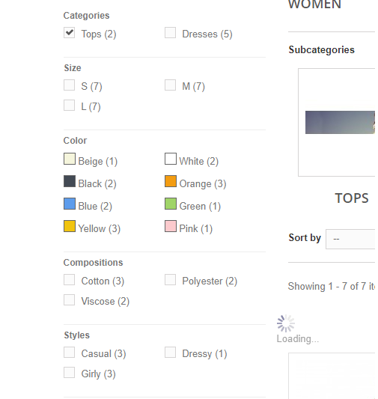
Environment | Platform | Java
 | Operating System | Windows 8.1 Pro x 64
 | Browser | 85.0.4183.121
Bug details | Steps to reproduce | 1. Open browser (Opera) 2. Go to:http://automationpractice.com/index.php?id_category=3&controller=category 3. Filter items bsed on any chategory from left side menu
 | Expected result | Items are filtered based on selected filter
 | Actual result | Items aren't filtered
 | Description | When user try to filter items based on any category from left side menu,filtering doesn't happens and look like loading but nothing is loaded
Bug tracking | Severity | High

 | Priority | High
Notes | Notes | This happens with all categorys

